Sheet1

updated April 10
I've answered your questions form the google form below in RED.
 |  | Best way to contact me is on REMIND.
 |  | B day: Text @b99bed7 to 81010 for my advanced classes
 |  | A day: Text @9e2g33 to 81010 for my general classes

 | Specific questions you asked about ATTENDANCE:
 | Is this for all my classes? | yes; all teachers are taking attendace the same way
 | what if i just knock out everything on the first day, am I marked present in the future? | yes; even if you turn in something 5 days late then the teacher should go back and mark you present
 | So if I turn my work in for that day, thats all i need to do for attendance? | yes
 | Can we send you a text a day late? | yes; turning in your work at any time counts as present
 | Can we just text you on reminder for attendance grade? | yes; turning in work is probably the easiest way so you don't have to remember to text every day. Attendance can easily be changed.
 | How do you grade attendance? | Attendance is not a grade; Fayette Co. has set up a COVID-19 ATTENDANCE in the grade book for us to mark. You should see it next to formative and summative. It does not count as a grade.
 | Do we have to get on zoom for attendance ? | Zoom is optional but if you do get on then that would count as attendance.
 | Specific questions you asked about ZOOM:
 | Will we have any mandatory meetings? | No; all zoom meetings will be optional
 | How are we going to ask LIVE questions if we're muted? | You can chat only with me to ask your question OR there is a non-verbal feedback where you can "raise your hand".Look at the link to the right. It will really depend on how many students are on at one time. | Zoom Instructions and Help: Read for specifics on Zoom meetings
 | When is our next meeting? | Planning for Tuesday, April 14. I will send out a reminder text and post on google classroom the specifics.
 | Will the meetings ever be used for an actual class or just for check-ins and questions? | Check-in and questions; Working through website issues and/or calculations. I will record zooms and then post them so you can get the info if you didn't attend the meeting.
 | How long will the classes on Zoom usually be? | It wll depend on how many questions - hopefully 30 minutes max
 | If I were 10min late and I were to send you a message asking for admittance, would you let me in? | You could text me on Remind - if I have my phone by me. I'm not sure if your name will pop up in the "waiting room" after I've locked the meeting.
 | I know they aren’t required, but will they be beneficial to be on? | Probably when we get to the waves unit. That unit has more calculations so that might be when I need to help more. I will always record those meetings and post them if you cannot attend the meeting.
 | Random Questions/Comments
 | When are assignments due? | NO LATE WORK during NTI. You may turn in work late and the teacher will change the grade. It will be marked "M" for missing in the gradebook - this counts as a zero. This is to remind you turn your work in. Once it's submitted then the grade will be changed. BUT don't get behind b/c it will pile up.
 |  | Please double check your grades - if you see a mistake contact me. Sometimes students are completing work at 1 am and I don't see if until later. I have to go back and constantly check if work is being turned in so I may not see it as soon as you think.
 | Can you post all of the NTI assignments at once, so I can complete it all at once? | Teachers have been told to post the morning of when you would actually have class. So we are still following A/B days and you're on some sort of schedule. I have been, and will probably continue, to post the night before.
 | Is there a way I can come to the school to get into my locker ? | Students are allowed in the building unless you have permission from Mr. Mills. You would need to email him about your issue. The building is not open everyday.
 | Please don't give us too much work and make some work optional. | Hopefully you won't be to inundated with work. All work for me will be entered into IC. It will be marked optional if it's just a "help" paper. This is why I think it's a good idea to stick to a schedule - so all your work doesn't snowball and your always trying to play catch-up. It's easy to get distracted when you are at home - believe me, I know.
 | For the work you assigned today are you putting a specific due date on them? | There are no late grades during NTI. You can turn work in 8 days late and teachers are to change your grade in IC (still full credit). HOWEVER, as a teacher and mother, I think you might want to stay on a schedule so that it doesn't pile up.
 | Can I get the answers to the NTI work? | Sorry but no. Thanks for asking ;) If you ever need help with any of the work please contact me.
 | I turned in the opinion video and it's still marked as missing? | Some of you have not submitted the Renewable Video from before we left school. You can still do it. It's posted on google classroom (March 10) with the rubric attached. Just let me know when you post the video so I can watch it and enter your grade. You can also email it to me. IT'S A TEST GRADE!
 | When will we go back to school? | I wish I knew!!
 |  | I miss seeing all of your faces! If you are struggling or are in need of anything PLEASE reach out to any adult at school! If you ever need to talk to your counselor, our social worker, a principal, or me please contact us.

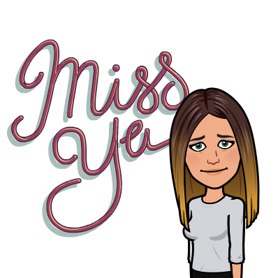
 | I do miss everyone of you. There are times I feel like I'm at school because Henry doesn't seem to know how to read instructions for his work. So I'm constantly repeating myself - just like I do in class everyday :)
 | PLEASE PLEASE let me know if you need anything at all! Anything!
 | Contact me through email, Remind text, google classroom. But, remember I'm not up at 2 am.

